Sheet1
DATE | DUE DATE | DESCRIPTIONS | QTY | BILLS | UNIT PRICE | SUBTOTAL | TOTAL
27-Dec-2025 | 9-Jan-2026 | ICELAND VODKA BLACK TEA 700ML | 6 | 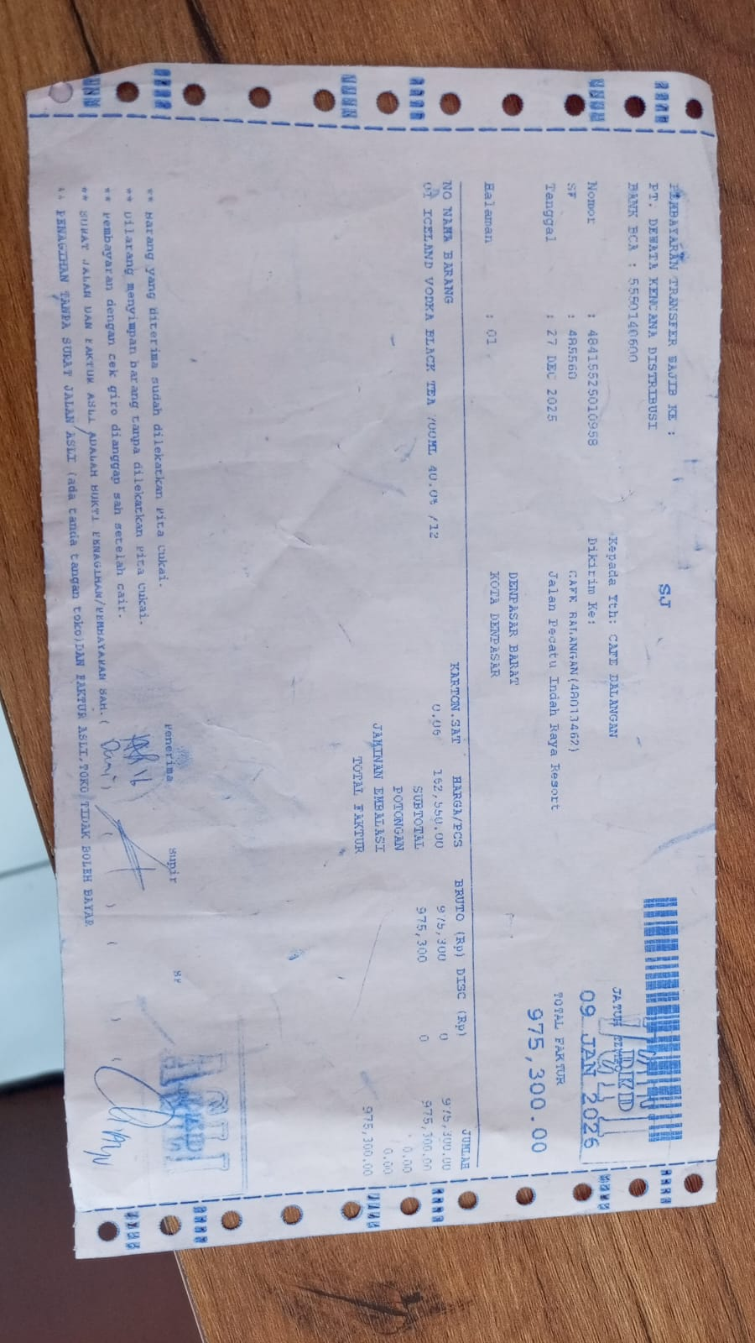 | IDR 162,550 | IDR 975,300 | IDR 975,300
GRAND TOTAL |  |  |  |  | Rp975,300

